Hiearchy View
CLASS: STICK RELEASE TIMER
The locking of any route from a signal including overlap beyond the exit signal when the driver has seen or may have seen a proceed aspect at a signal that would indicate to the driver that the former signal is displaying a proceed aspect. |  | 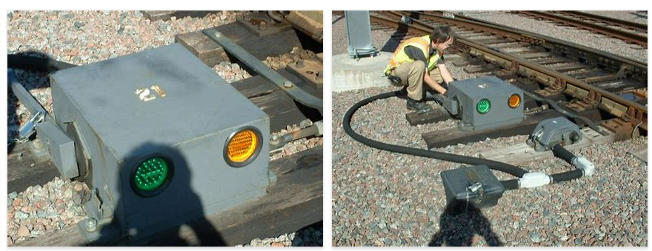
REMOVE | N

PROBLEM_DESC | CAUSE_DESC | REMEDY_DESC
ALARM/SENSOR
BROKEN/DAMAGED
LIGHTING
OTHER PROBLEM
OVERHEATING
PESTS
POWER-ELEC
STOPPED/SLOWED/POOR OPS
TEMP-CTRL
VIBRATION
Grand Total

